Projections
 |  |  |  |  |  |  | From IEA 2012 Energy Tech Perspectives
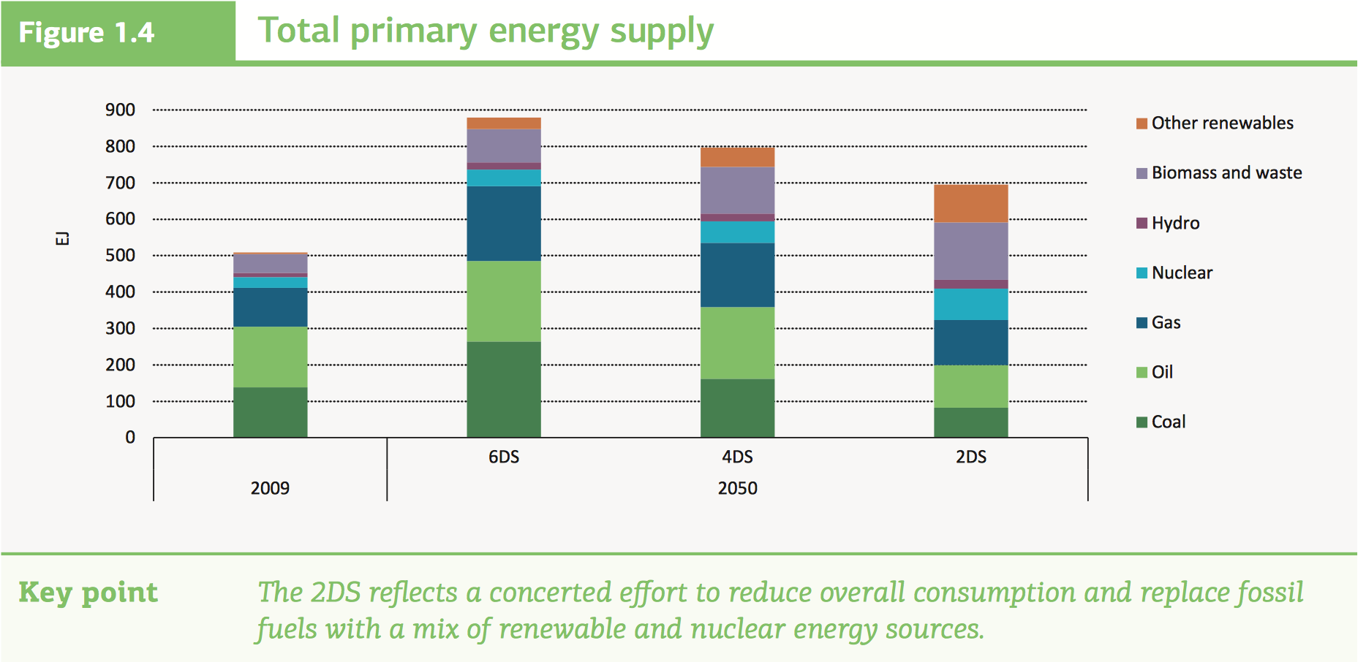
IEA

 | Installed Base (GWp) |  | IEA 2DS Projections | Annual Growth Rate | Share achieved
Year | 2012 | 2016 | 2050 | 2012-16 | 2016
Power CCS | 0 | 0.11 | 964 | - | 0.01%
Scalable RE | 370 | 670 | 8785 | 20.27% | 7.63%
Biomass | 52 | 65 | 440 | 6.25% | 14.77%
 | Note: Figures from authors' calculations based on IEA and IRENA data

 |  |  |  |  |  |  | Gt CO2
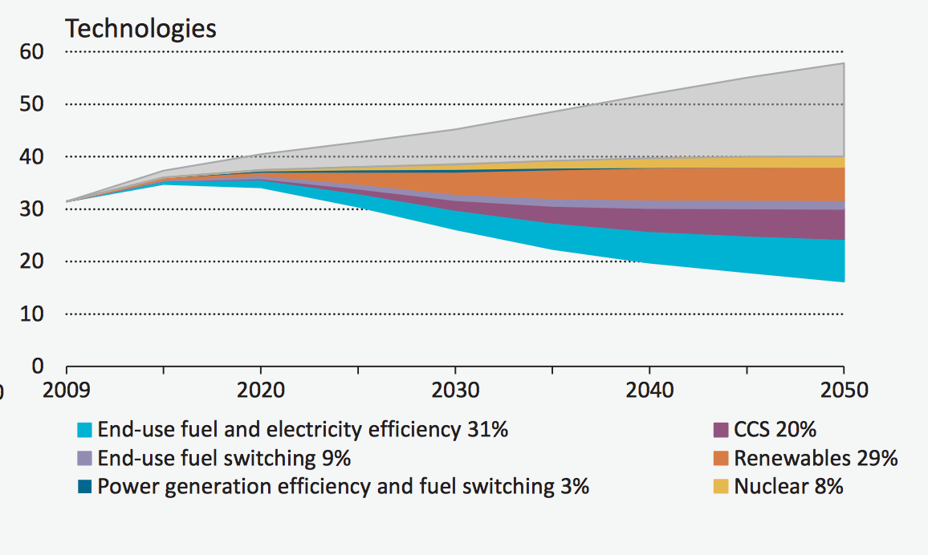

 |  |  |  |  |  |  | IEA 2013 CCS roadmap
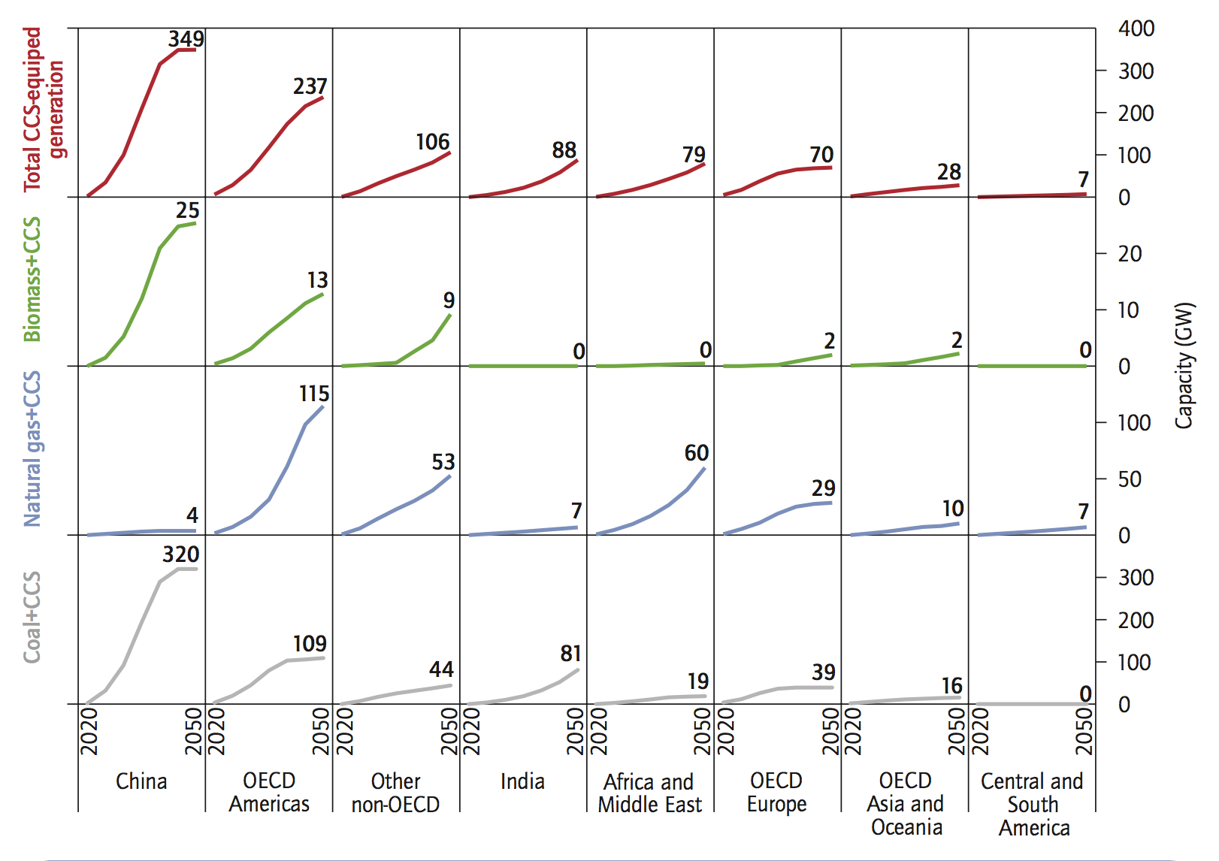

 |  |  |  |  |  |  | China | OECD Amer | Other non-OECD | India | Africa and ME | OECD Eur | OECD Asia Oceania | Central/S.Amer | Total
 |  |  |  |  |  |  | 349 | 237 | 106 | 88 | 79 | 70 | 28 | 7 | 964 | GW

 |  |  |  |  |  | Biomass | 25 | 13 | 9 | 0 | 0 | 2 | 2 | 0 | 51
 |  |  |  |  |  | NG | 4 | 115 | 53 | 7 | 60 | 29 | 10 | 7 | 285
 |  |  |  |  |  | Coal | 320 | 109 | 44 | 81 | 19 | 39 | 16 | 0 | 628

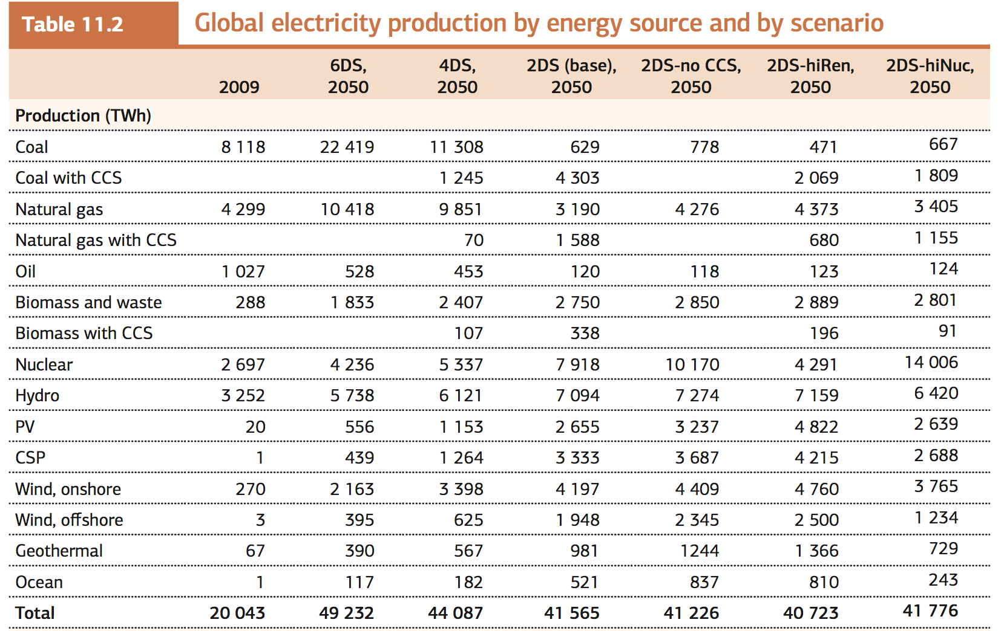

 |  |  |  |  |  |  | RE Gen 2050 2DS hiRen
 |  |  |  |  |  |  |  | TWh | Twe | Capacity factor | TWp | GW
 |  |  |  |  |  |  | PV | 4822 | 0.550456621 | 0.2 | 2.752283105 | 2752.283105
 |  |  |  |  |  |  | CSP | 4215 | 0.48116438356 | 0.2 | 2.4058219178 | 2405.8219178
 |  |  |  |  |  |  | Wind on shore | 4760 | 0.54337899543 | 0.25 | 2.1735159817 | 2173.5159817
 |  |  |  |  |  |  | Wind offshore | 2500 | 0.28538812785 | 0.3 | 0.95129375951 | 951.29375951
 |  |  |  |  |  |  | Geothermal | 1366 | 0.15593607306 | 0.85 | 0.1834542036 | 183.4542036
 |  |  |  |  |  |  | Ocean | 837 | 0.095547945205 | 0.3 | 0.31849315068 | 318.49315068

 |  |  |  |  |  |  | Sum |  |  |  | 8.7848621184 | 8784.8621184

 |  |  |  |  |  |  | Biomass and waste | 3085 | 0.35216894977 | 0.8 | 0.44021118721 | 440.21118721
 |  |  |  |  |  |  | 2012 biomass | 370 | 0.042237442922 | 0.8 | 0.052796803653 | 52.796803653
 |  |  |  |  |  |  | 2016 biomass | 464 | 0.05296803653 | 0.8 | 0.066210045662 | 66.210045662

Storagefraction
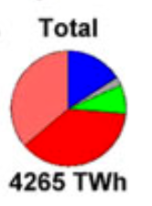
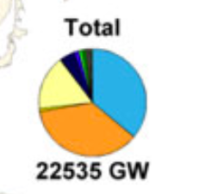
Breyer 2017

Estimates |  | Ratio | TW | CF | TWh | only variable
PV | 68 | 0.18681318681 | 4.2032967033 | 0.18 | 6627.7582418
PV single | 144 | 0.3956043956 | 8.9010989011 | 0.18 | 14035.252747
Wind | 132 | 0.36263736264 | 8.1593406593 | 0.35 | 25016.538462
hydro | 20 | 0.054945054945 | 1.2362637363 | 0.7 | 7580.7692308
sum | 364 |  | 22.5 |  | 53260.318681 | 45679.549451

